Sheet1
Date | Sum of Revenue
13/02/2018 | 20664
25/03/2018 | 12973
14/04/2018 | 15287
03/06/2018 | 21395
22/09/2018 | 12733
22/11/2018 | 13900
19/02/2019 | 18795
11/03/2019 | 13147
19/03/2019 | 14600
23/03/2019 | 13680
Grand Total | 157174

Sheet2
 | Region
 | Arizona | California | New Mexico | Texas | Grand Total
Sum of Revenue | 495353 | 508119 | 492984 | 532135 | 2028591

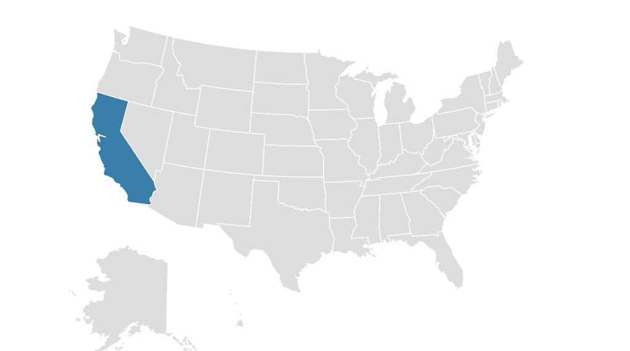

 |  |  |  | Region
 |  |  |  | Arizona | California | New Mexico | Texas | Grand Total
 |  |  | Sum of Revenue | 495353 | 508119 | 492984 | 532135 | 2028591

Sheet3
Sum of Revenue | Sales Person
Date | Andrew James | Anna Weber | Anne Lee | Ben Wallace | Kim Fishman | Laura Larsen | Michael Fox | Oscar Knox | Grand Total
02/01/2018 |  | 2023 |  |  |  |  |  |  | 2023
 | Andrew James | Anna Weber | Anne Lee | Ben Wallace | Kim Fishman | Laura Larsen | Michael Fox | Oscar Knox
02-01-2018 |  | 2023
04-01-2018 | 2601 |  |  |  |  |  | 398 | 276
07-01-2018 |  | 1197 | 1734 |  |  | 912 | 798 | 795
08-01-2018 | 2793 |  | 199 | 0 |  |  | 0
09-01-2018 |  |  | 0 |  | 318 | 1794
10-01-2018 |  |  |  |  |  | 138
06-06-2018 |  |  |  |  |  | 597
10-06-2018 |  |  |  | 995
18-09-2018 |  |  |  |  |  | 1197
21-09-2018 |  |  |  |  |  | 1113 | 1734
23-09-2018 |  |  |  |  |  |  |  | 2312
08-10-2019 |  |  | 0 |  | 954
10-10-2019 |  |  |  | 399
12-10-2019 |  | 552 |  |  |  |  | 1197
14-10-2019 |  | 1393
16-10-2019 |  | 1799 | 199 | 2808 |  | 841 | 796
04/01/2018 | 2601 |  |  |  |  |  | 398 | 276 | 3275
07/01/2018 |  | 1197 | 1734 |  |  | 912 | 798 | 795 | 5436
08/01/2018 | 2793 |  | 199 | 0 |  |  | 0 |  | 2992
09/01/2018 |  |  | 0 |  | 318 | 1794 |  |  | 2112
10/01/2018 |  |  |  |  |  | 138 |  |  | 138
06/06/2018 |  |  |  |  |  | 597 |  |  | 597
10/06/2018 |  |  |  | 995 |  |  |  |  | 995
18/09/2018 |  |  |  |  |  | 1197 |  |  | 1197
21/09/2018 |  |  |  |  |  | 1113 | 1734 |  | 2847
23/09/2018 |  |  |  |  |  |  |  | 2312 | 2312
08/10/2019 |  |  | 0 |  | 954 |  |  |  | 954
10/10/2019 |  |  |  | 399 |  |  |  |  | 399
12/10/2019 |  | 552 |  |  |  |  | 1197 |  | 1749
14/10/2019 |  | 1393 |  |  |  |  |  |  | 1393
16/10/2019 |  | 1799 | 199 | 2808 |  | 841 | 796 |  | 6443
Grand Total | 5394 | 6964 | 2132 | 4202 | 1272 | 6592 | 4923 | 3383 | 34862

Sheet4
Item | Sum of Revenue
Item 1 | 736953
Item 2 | 365762
Item 3 | 124890
Item 4 | 301305
Item 5 | 499681
Grand Total | 2028591

Sheet5
Customer Name | Sum of Revenue
Company A | 98580
Company B | 106107
Company C | 98397
Company D | 122821
Company E | 106230
Company F | 93104
Company G | 93876
Company H | 100909
Company I | 111991
Company J | 108239
Company K | 92806
Company L | 86272
Company M | 115641
Company N | 114447
Company O | 83818
Company P | 94430
Company Q | 105933
Company R | 89214
Company S | 122085
Company T | 83691
Grand Total | 2028591

Sheet6

Performance Dashboard

Shape Ai

Sales Trend
Company Revenue

 | Total
13-02-2018 | 20664
25-03-2018 | 12973
14-04-2018 | 15287
03-06-2018 | 21395
22-09-2018 | 12733
22-11-2018 | 13900
19-02-2019 | 18795
11-03-2019 | 13147
19-03-2019 | 14600
23-03-2019 | 13680
 | Total
Company A | 98580
Company B | 106107
Company C | 98397
Company D | 122821
Company E | 106230
Company F | 93104
Company G | 93876
Company H | 100909
Company I | 111991
Company J | 108239
Company K | 92806
Company L | 86272
Company M | 115641
Company N | 114447
Company O | 83818
Company P | 94430
Company Q | 105933
Company R | 89214
Company S | 122085
Company T | 83691

Sales By Region
Slase of employees
Item Share
 | Total
Item 1 | 736953
Item 2 | 365762
Item 3 | 124890
Item 4 | 301305
Item 5 | 499681
 | Andrew James | Anna Weber | Anne Lee | Ben Wallace | Kim Fishman | Laura Larsen | Michael Fox | Oscar Knox
02-01-2018 |  | 2023
04-01-2018 | 2601 |  |  |  |  |  | 398 | 276
07-01-2018 |  | 1197 | 1734 |  |  | 912 | 798 | 795
08-01-2018 | 2793 |  | 199 | 0 |  |  | 0
09-01-2018 |  |  | 0 |  | 318 | 1794
10-01-2018 |  |  |  |  |  | 138
06-06-2018 |  |  |  |  |  | 597
10-06-2018 |  |  |  | 995
18-09-2018 |  |  |  |  |  | 1197
21-09-2018 |  |  |  |  |  | 1113 | 1734
23-09-2018 |  |  |  |  |  |  |  | 2312
08-10-2019 |  |  | 0 |  | 954
10-10-2019 |  |  |  | 399
12-10-2019 |  | 552 |  |  |  |  | 1197
14-10-2019 |  | 1393
16-10-2019 |  | 1799 | 199 | 2808 |  | 841 | 796

